Sheet6
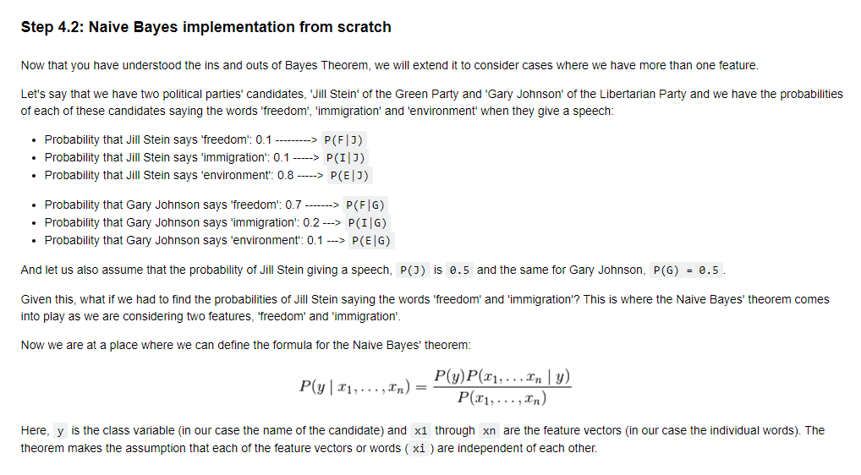

 | AND is *
 | OR is +

 | P(J) | 0.5 | P(F|J) | 0.1 |  | P(J)P(F|J) | 0.05 | P(F,I) | 0.075 |  | mulitply and then add
 |  |  | P(I|J) | 0.1 |  | P(J)P(I|J) | 0.05
 |  |  | P(E|J) | 0.8 |  | P(J)P(E|J) | 0.4
 |  |  |  |  |  |  |  | are these numbers correct?
 |  |  |  |  |  |  |  | P(F) | 0.4 | ?
 | P(G) | 0.5 | P(F|G) | 0.7 |  | P(G)P(F|G) | 0.35 | P(I) | 0.15 | ?
 |  |  | P(I|G) | 0.2 |  | P(G)P(I|G) | 0.1 | P(E) | 0.45 | ?
 |  |  | P(E|G) | 0.1 |  | P(G)P(E|G) | 0.05
 |  |  |  |  |  |  |  | P(F,I) | 0.06 | why is this number incorrect? Is adds up and then multiplies
 |  |  |  |  | prob |  |  |  |  | cus you need to calculate the idea of together (AND, *) first and then add up (OR, +)
P(J|F,I) |  | PROPORTIONAL | 0.005 |  | 0.07 |  | 0.075 |  |  | 2 words are spoken together in 1 speech by 1 person.
P(G|F,I) |  | PROPORTIONAL | 0.07 |  | 0.93 |  | 0.075

